Cover
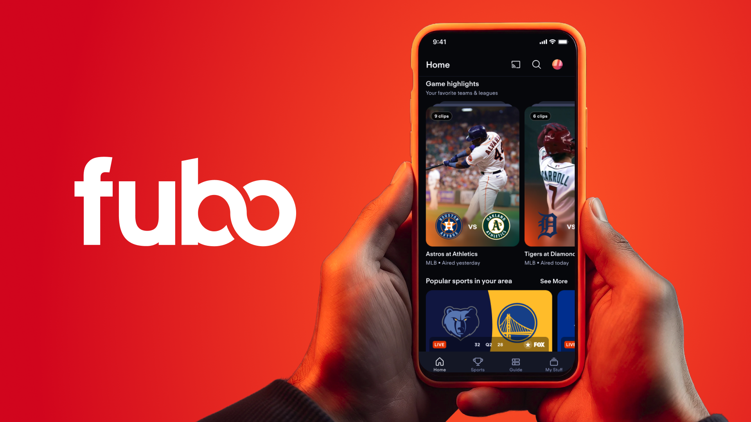

Q3 Fiscal 2026 Supplemental Financials

Introduction
Q3 Fiscal 2026
Supplemental Financials
Information included in this supplement has been derived from information contained in our Quarterly Report on Form 10-Q for the quarterly period ended June 30, 2026 and our Current Report on Form 8-K filed with the Securities and Exchange Commission on [August 5, 2026]. References to “we,” “us,” “our,” the "Company" and "Fubo" refer to FuboTV Inc. and its consolidated subsidiaries, unless the context otherwise requires.
On October 29, 2025 (the “Closing Date”), Fubo, The Walt Disney Company (“Disney”) and Hulu, LLC (“Hulu”) consummated the transactions contemplated by the Business Combination Agreement, dated as of January 6, 2025, by and among Fubo, Disney and Hulu, pursuant to which the parties combined Fubo’s existing business with Disney’s Hulu + Live TV business (the “Hulu Live Business” and, such transactions, collectively, the “Business Combination”).
The Company has accounted for the Business Combination as a reverse acquisition of the Company using the acquisition method of accounting in accordance with generally accepted accounting principles in the United States (“U.S. GAAP”), with the Hulu Live Business treated as the accounting acquirer. Accordingly, commencing with the fiscal quarter ended December 31, 2025, the historical combined carve-out financial statements of the Hulu Live Business are presented as the historical financial statements of the Company. Prior to the Business Combination, the Hulu Live Business operated as part of Hulu, which is controlled and consolidated by Disney, and, therefore, its historical financial statements were prepared on a carve-out basis from Disney and Hulu, including allocations of certain corporate costs, shared services, and assets and liabilities that were not historically operated or financed on a standalone basis. As a result, the historical results of the Hulu Live Business are not necessarily comparable to the results of the Company following the Business Combination.
To facilitate comparability between periods, we are providing supplemental unaudited pro forma condensed combined financial information, including Pro Forma Revenue and Pro Forma Net Income (Loss), giving effect to the Business Combination as if it had been consummated at the beginning of the first period presented. The unaudited pro forma condensed combined financial information has been prepared in accordance with U.S. GAAP and Article 11 of Regulation S-X. The unaudited pro forma condensed combined financial information is based on the historical combined carve-out financial statements of the Hulu Live Business and the historical consolidated financial statements of Fubo, as adjusted to give effect to the Business Combination and related transactions. This information is provided for illustrative purposes only and is not necessarily indicative of what the actual results of operations and financial position would have been had the Business Combination and related transactions taken place on the dates indicated, nor are they indicative of the future consolidated results of operations or financial position of the combined company.
Prior to the closing of the Business Combination, the Hulu Live Business’s fiscal year ended on the Saturday closest to September 30, and the Company’s historical fiscal year end was December 31. Effective as of the Closing Date, the Company changed its fiscal year end to September 30, with its first full fiscal year following the Closing Date to end on September 30, 2026.
Certain measures used in this supplement, including Adjusted EBITDA, Adjusted EBITDA Margin, Pro Forma Adjusted EBITDA and Pro Forma Adjusted EBITDA Margin, are non-GAAP financial measures. Reconciliations of these non-GAAP financial measures to the most directly comparable U.S. GAAP financial measures are provided in this supplement.

