Title Page
 | 

Assurant, Inc. (AIZ)
Financial Supplement as of June 30, 2026

Global Housing (continued)
Global Housing (continued)
Condensed Statements of Operations and Selected Data
(Unaudited)

 | 2026 |  | 2025 |  |  |  | Six Months |  | 2Q26-2Q25 | 2Q26-1Q26 | 6M26-6M25
 | 2Q | 1Q | 4Q | 3Q | 2Q | 1Q | 2026 | 2025 | % Change | % Change | % Change

Key Metrics:
Global Housing loss ratio(1) | 33.6% | 38.5% | 30.7% | 34.1% | 39.8% | 54.1% | 36.0% | 46.8% | (620) bps | (490) bps | (1,080) bps
Global Housing non-catastrophe loss ratio(2) | 31.8% | 34.9% | 29.3% | 33.6% | 35.0% | 29.8% | 33.3% | 32.6% | (320) bps | (310) bps | 70 bps
Global Housing expense ratio(3) | 38.3% | 38.7% | 40.1% | 38.6% | 38.3% | 39.1% | 38.5% | 38.7% | — bps | (40) bps | (20) bps
Global Housing combined ratio(4) | 69.8% | 74.9% | 68.9% | 70.2% | 75.4% | 89.8% | 72.3% | 82.4% | (560) bps | (510) bps | (1,010) bps
Global Housing annualized ROE(5) | 48.6% | 42.6% | 48.0% | 45.3% | 39.8% | 19.8% | 45.5% | 29.9% | 880 bps | 600 bps | 1,560 bps
Investment yield(6) | 4.54% | 5.58% | 4.92% | 4.63% | 4.55% | 4.48% | 5.00% | 4.55% | (1) bps | (104) bps | 45 bps

Lender-Placed Insurance: Loans tracked (in millions)(7) | 34.1 | 31.8 | 31.8 | 31.6 | 31.4 | 31.8 | 34.1 | 31.4 | 8.6% | 7.2% | 8.6%
Lender-Placed Insurance: Placement rates(8) | 2.02% | 2.10% | 2.09% | 2.08% | 2.03% | 2.01% | 2.02% | 2.03% | (1) bps | (8) bps | (1) bps
Lender-Placed Insurance: Average insured value ("AIV") (in thousands)(7) | $309 | $304 | $300 | $296 | $294 | $291 | $309 | $294 | 5.1% | 1.6% | 5.1%

Renters policies (in millions) | 3.121 | 3.142 | 3.154 | 3.147 | 3.042 | 3.010 | 3.121 | 3.042 | 2.6% | (0.7)% | 2.6%

% Spread of exposure(9)
Region Name
Middle U.S. states | 14.1% | 14.1% | 14.1% | 13.7% | 13.4% | 13.3% | 14.1% | 13.4% | 70 bps | — bps | 70 bps
Northeastern coastal exposure | 16.2% | 16.2% | 16.1% | 16.1% | 15.9% | 16.1% | 16.2% | 15.9% | 30 bps | — bps | 30 bps
Northern inland exposure | 14.0% | 13.3% | 13.1% | 12.9% | 12.6% | 12.4% | 14.0% | 12.6% | 140 bps | 70 bps | 140 bps
Southern inland exposure | 11.0% | 11.1% | 11.0% | 11.1% | 11.2% | 11.1% | 11.0% | 11.2% | (20) bps | (10) bps | (20) bps
Southern and HI coastal exposure | 11.9% | 12.5% | 12.7% | 13.3% | 13.9% | 14.4% | 11.9% | 13.9% | (200) bps | (60) bps | (200) bps
Western U.S. states | 32.8% | 32.8% | 33.0% | 32.9% | 33.0% | 32.7% | 32.8% | 33.0% | (20) bps | 0 bps | (20) bps
Total | 100.0% | 100.0% | 100.0% | 100.0% | 100.0% | 100.0% | 100.0% | 100.0%

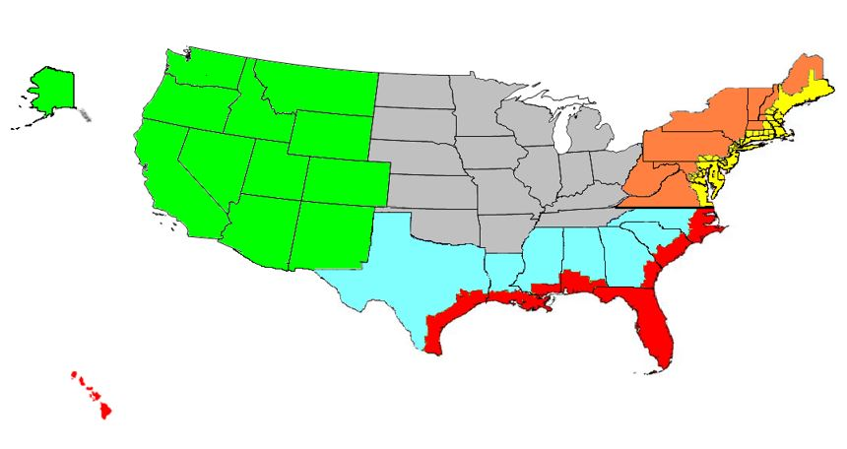

Middle U.S. States
Northeastern Coastal Exposure
Northern Inland Exposure
Southern Inland Exposure
Southern and HI Coastal Exposure
Western U.S. States

(1) Equals policyholder benefits divided by net earned premiums.
(2) Represents a non-GAAP financial measure. Refer to the Footnotes in Regulation G - Non GAAP Financial Measures for reconciliations of non-GAAP measures to the most comparable GAAP measure.
(3) Equals (i) underwriting, selling, general and administrative expenses plus depreciation expense and amortization of purchased intangible assets divided by (ii) net earned premiums, fees and other income.
(4) Equals (i) total benefits, losses and expenses plus depreciation expense and amortization of purchased intangible assets divided by (ii) net earned premiums, fees and other income. Income from processing National Flood Insurance Program claims is reported as a reduction in expenses and is included in the combined ratio.
(5) Calculated using (i) Global Housing Adjusted EBITDA (including reportable catastrophes) plus income tax expense, depreciation expense and amortization of purchased intangible assets, all annualized, divided by (ii) average stockholders' equity.
(6) Equals annualized net investment income divided by average investments and cash and cash equivalents.
(7) Includes tracked hazard loans and other loans serviced.
(8) Equals hazard policies in force divided by tracked hazard loans.
(9) Geographical spread of exposure is based on the company's assessment of total insured value for all of Global Housing.

